Vibrio Cholarae
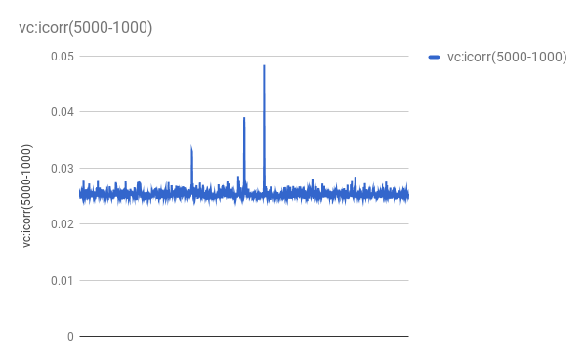
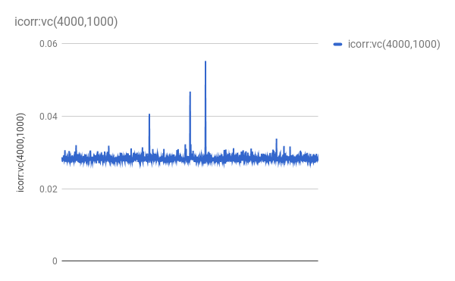
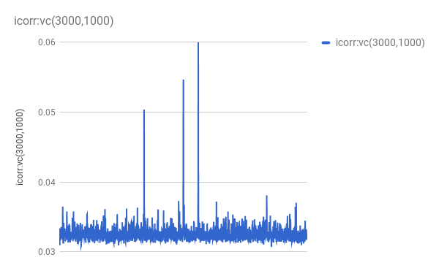
 | WS1=3000,1000 |  |  |  | WS2=4000,1000 |  |  |  | WS3=5,000-1000 |  |  |  | WS4=6000,1000 |  |  |  | WS5=7000,1000 |  |  |  | WS5=8000,1000 |  |  |  | WS5=9000,1000 |  |  |  | WS5=10,000-1000 |  |  |  | WS5=11,000-1000 |  |  |  | WS5=11,000-1000
 | ORI | PEAK/AVG-1 | S.D./avg | ratio | ORI | PEAK/AVG-1 | S.D./avg | ratio | ORI | PEAK/AVG-1 | S.D./avg | ratio | ORI | PEAK/AVG-1 | S.D./avg | ratio | ORI | PEAK/AVG-1 | S.D./avg | ratio | ORI | PEAK/AVG-1 | S.D./avg | ratio | ORI | PEAK/AVG-1 | S.D./avg | ratio | ORI | PEAK/AVG-1 | S.D./avg | ratio | ORI | PEAK/AVG-1 | S.D./avg | ratio | ORI | PEAK/AVG-1 | S.D./avg | ratio
peak1 | 17,14,000/1714 | 0.838402 | 0.0391 | 21.44250639 | 17,13,000/1713 | 0.94742 | 0.038358 | 24.69941081 | 17,12,000/1712 | 0.905611 | 0.036727 | 24.65790835 | 17,11,000/1711 | 0.791393 | 0.035591 | 22.23576185 | 17,12,000/1712 | 0.614127 | 0.032735 | 18.76056209 | 17,11,000/1711 | 0.624486 | 0.031139 | 20.0547866 | 17,11,000/1711 | 0.447028 | 0.030146 | 14.82876667 | 15,30,000/1530 | 0.425824 | 0.028719 | 14.82725722 | 15,30,000 | 0.439766 | 0.027767161 | 15.83762921 | 15,30,000 | 0.494339 | 0.026871182 | 18.39662282
peak2 | 15,30,000/1530 | 0.674216 |  | 17.24337596 | 15,30,000/1530 | 0.650469 |  | 16.95784452 | 15,30,000/1530 | 0.507002 |  | 13.80461241 | 15,28,000/1528 | 0.468189 |  | 13.15470203 | 15,30,000/1530 | 0.388227 |  | 11.85969146 | 15,28,000/1528 | 0.359151 |  | 11.53380006 | 15,31,000/1531 | 0.33227 |  | 11.02202614 | 17,10,000/1710 | 0.340165 |  | 11.84459765 | 17,08,000 | 0.297453 |  | 10.71240232 | 17,09,000 | 0.2543125317 |  | 9.464136401
peak3 | 10,45,000/1045 | 0.545454 |  | 13.95023018 | 10,44,000/1044 | 0.434046 |  | 11.31565775 | 10,43,000/1043 | 0.297464 |  | 8.09932747 | 10,43,000/1043 | 0.200416 |  | 5.631086511 |  |  |  |  | 10,38,000/1038 | 0.193336 |  | 6.208805678 | 10,38,000/1038 | 0.284111 |  | 9.424500763 | 10,38,000/1038 | 0.291304 |  | 10.14325011 | 10,37,000 | 0.18187584 |  | 6.550033689 | 10,44,000 | 0.1877225807 |  | 6.986018728

gcskew | 15,39,000-15,42,000 |  |  |  | 15,39,000-15,42,000 |  |  |  | 15,38,000-15,43,000 |  |  |  | 15,37,000-15,42,000 |  |  |  | 15,39,000-15,42,000 |  |  |  | 15,38,000-15,43,000 |  |  |  | 15,36,000-15,42,000 |  |  |  | 15,39,000-15,43,000

